BASIC
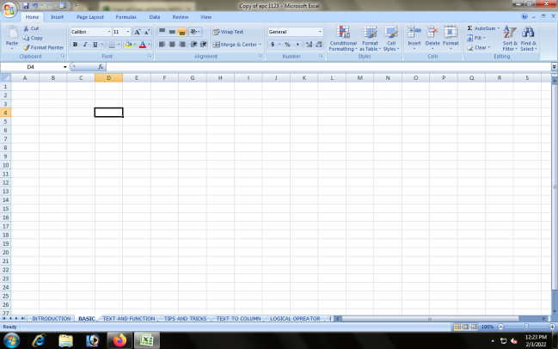

An Excel workbook is an Excel file that can contain multiple, somewhat independent spreadsheets called Excel worksheets.

WORKBOOK

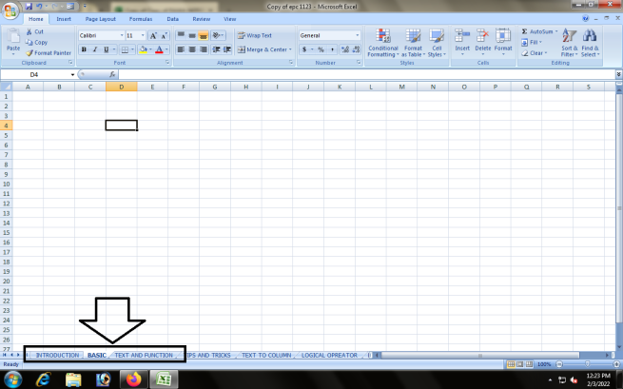

VWorksheet: A worksheet is the grid of columns and rows that information is inputted into. In many spreadsheet applications (such as Microsoft Excel) one file -- called a workbook -- can contain several worksheets.

WORKSHEET

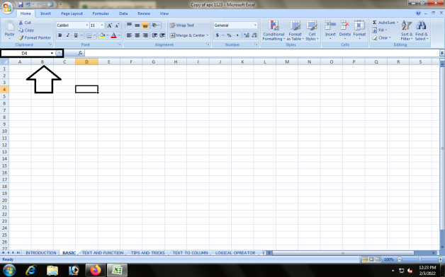

Cell: A cell is a rectangular area formed by the intersection of a column and a row. Cells are identified by the Cell Name (or Reference, which is found by combining th e Column Letter with the Row Number. ... An Excel spreadsheet contains 256 columns that are labeled with the letters of the alphabet.

CELLS

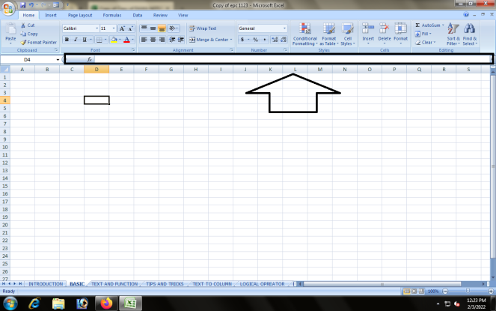

The formula bar is the toolbar at the top of the spreadsheet that lets you enter or view information in a cell.

FORMULABAR

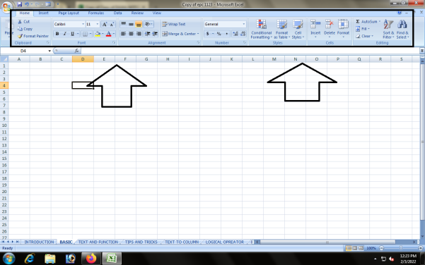

the ribbon is the strip of buttons and icons located above the work area.

RIBBON

 | BACK TO HYPERLINK CLASS WORK

CHARTS
CHARTS
 | shortcut key ACT +f1

 |  | ANNUAL SALES
 |  |  |  | ONLINE SALES | STORE SALES
 |  |  | TSHIRA | 40000 | 25000
 |  |  | JOGGERS | 3000000 | 2000000
 |  |  | JORDANS | 3000000 | 150000

 | DEFINATION

 |  | A chart is a tool you can used in excel to communicate data graphically. Charts allow you audience to see the meaniung behind the number, and they make showing comparisons and trends much easier.

COLUMN

TSHIRA | 0 | 0
40000 | 3000000 | 3000000
25000 | 2000000 | 150000

 |  |  |  |  |  | BACK TO HYPERLINK CLASS WORK

 | DEFINATION

 |  | A vertical bar chart is sometimes called a column chart. A bar graph shows comparisons among discrete categories. One axis of the chart shows the specific categories being compared, and the other axis represents a measured value.

LINE CHART

 | DEFINATION

 |  | A line chart is a graphical representation of an asset's historical price action that connects a series of data points with a continuous line. This is the most basic type of chart used in finance, and it typically only depicts a security's closing prices over time.

PIE CHART

 | DEFINATION

 |  | A pie chart is a type of graph that represents the data in the circular graph. The slices of pie show the relative size of the data, …

BAR CHARTS

 | DEFINATION

 |  | A bar chart is a graph that shows horizontal bars with the axis values for the bars displayed on the bottom of the graph.

AREA CHARTS

 | DEFINATION

 |  | An area chart is a specialized form of a line graph, which is used to represent a quantitative data graphically. The area between the axis and line when highlighted with colors gives an area chart.

SCATTER CHARTS

 | DEFINATION

 |  | Scatter charts are a data representation that shows the values of two different variables that show the relationship of two different values as points that are plotted.

